grain size analysis
before the flood (2010)_sand
after the flood (2010)_sand
mean_sand
percent passing(%)
particle size (mm)
before the flood (2010)_gravel
percent passing(%)
particle size (mm)
* grain-size distribution of bed material (2010) _ Grab sampler(60L)
particle size time | D35(mm) | D50(mm) | D65(mm) | D90(mm) | 균등계수 Coefficient of uniformity (Cu) | 곡률계수 Coefficient of curvature (Cg)
평군 (mean) | 6.37 | 11.89 | 16.37 | 18.99 | 25.36 | 1.98

before the flood (2011)
after the flood (2011)
mean
percent passing(%)
particle size (mm)
* grain-size distribution of bed material (2011) _ grid sampling(Hack_1947)
particle size time | D35(mm) | D50(mm) | D65(mm) | D90(mm) | 균등계수 Coefficient of uniformity (Cu) | 곡률계수 Coefficient of curvature (Cg)
평군 (mean) | 31.96 | 36.74 | 42.47 | 55.17 | 2.11 | 1.23

* grain-size distribution of bed material (2012) _ grid sampling(Hack_1947)

* particle size distribution of suspended sediment (2012) |  |  |  |  |  |  |  |  |  | * grain-size distribution of bed material (2012)

No | particle size distribution of suspended sediment (%) |  |  |  |  |  |  |  |  | particle size time | D10 | D30 | D35 | D60 | D65 | 균등계수 Coefficient of uniformity (Cu) | 곡률계수 Coefficient of curvature (Cg)
 | range (mm) |  |  |  |  |  |  |  | sum | 홍수전 (before the flood) | 0.71 | 2.61 | 3.63 | 7.90 | 9.07 | 3.03 | 1.21
 | 0.0020~ | 0.0222~ | 0.0313~ | 0.0423~ | 0.0626~ | 0.1251~ | 0.2501~ | 0.5001~ |  | 홍수후(after the flood ) | 0.64 | 1.28 | 1.63 | 6.88 | 7.71 | 5.37 | 0.37
 | 0.0221 | 0.0312 | 0.0422 | 0.0625 | 0.125 | 0.25 | 0.5 | 1 |  | 평균 (mean) | 0.68 | 1.70 | 2.39 | 7.46 | 8.29 | 4.40 | 0.57
1 | 52.4 | 10.9 | 18.5 | 9.1 | 7.1 | 0.9 | 0.8 | 0.3 | 100 | particle size time | D5 | D10 | D15 | D20 | D25 | D30 | D35 | D40 | D45 | D50 | D55 | D60 | D65 | D70 | D75 | D80 | D85 | D90 | D95 | D100
2 | 47.2 | 13.3 | 21.8 | 10.9 | 6.4 | 0.3 | 0.1 | 0 | 100 | 홍수전 (before the flood) | 0.52 | 0.71 | 0.88 | 1.12 | 1.73 | 2.61 | 3.63 | 4.49 | 5.56 | 6.44 | 7.22 | 7.90 | 9.07 | 10.15 | 11.12 | 12.20 | 12.98 | 13.07 | 14.05 | 16.00
3 | 42.7 | 14.2 | 25.2 | 12 | 5.8 | 0.1 | 0 | 0 | 100 | 홍수후 (after the flood ) | 0.50 | 0.64 | 0.76 | 0.87 | 0.98 | 1.28 | 1.63 | 2.15 | 3.66 | 4.78 | 5.95 | 6.88 | 7.71 | 8.88 | 10.15 | 11.42 | 12.49 | 12.68 | 13.85 | 16.00
4 | 44.9 | 15 | 26.6 | 8.9 | 4.1 | 0.2 | 0.2 | 0.1 | 100 | 평균 (mean) | 0.50 | 0.68 | 0.81 | 0.94 | 1.22 | 1.70 | 2.39 | 3.61 | 4.68 | 5.71 | 6.68 | 7.46 | 8.29 | 9.66 | 10.73 | 11.81 | 12.78 | 12.88 | 13.95 | 16.00
5 | 45.8 | 16 | 23.6 | 10.5 | 2.3 | 1.1 | 0.5 | 0.2 | 100
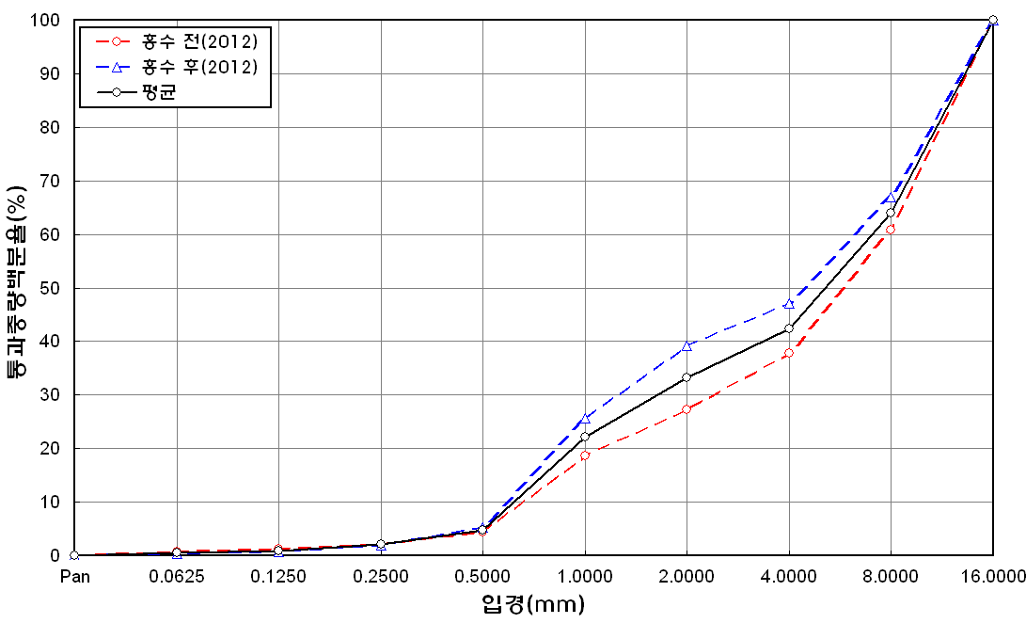
before the flood (2012)
after the flood (2012)
mean
percent passing(%)
particle size (mm)
6 | 50.5 | 11.2 | 16.9 | 11.1 | 9 | 0.4 | 0.7 | 0.2 | 100
7 | 46.2 | 11.6 | 22.6 | 7.8 | 8.3 | 1.9 | 1 | 0.6 | 100
8 | 58.9 | 10.9 | 13.8 | 12.1 | 4.1 | 0.1 | 0 | 0.1 | 100
9 | 48.4 | 16.7 | 20.5 | 7.1 | 4.3 | 1.7 | 1 | 0.3 | 100
10 | 47.6 | 16 | 26.3 | 5.5 | 2 | 1.4 | 0.9 | 0.3 | 100
11 | 47.4 | 25.4 | 23 | 1.3 | 1.4 | 0.9 | 0.5 | 0.1 | 100
12 | 43.8 | 29.6 | 22.9 | 1.7 | 1.7 | 0.1 | 0.1 | 0.1 | 100
13 | 44 | 25.6 | 25.2 | 3.2 | 1.9 | 0.1 | 0 | 0 | 100
14 | 44.7 | 15.8 | 27 | 9 | 3.1 | 0 | 0.3 | 0.1 | 100
15 | 44.1 | 15 | 24.7 | 11.6 | 4.4 | 0 | 0.2 | 0 | 100
16 | 52.7 | 12.7 | 21.5 | 8.8 | 3 | 0.7 | 0.5 | 0.1 | 100
17 | 44.2 | 14.2 | 22.3 | 10.7 | 7.6 | 0.5 | 0.5 | 0 | 100
18 | 46.2 | 16.3 | 21.4 | 10.4 | 4.7 | 0.3 | 0.5 | 0.2 | 100
19 | 45.5 | 15.7 | 22.2 | 11.9 | 0.4 | 2.4 | 1.7 | 0.2 | 100
20 | 54.6 | 9.3 | 24.2 | 8.1 | 3.8 | 0 | 0 | 0 | 100
21 | 47 | 25.9 | 21.5 | 3.6 | 1.9 | 0.1 | 0 | 0 | 100
22 | 48 | 24.3 | 22.7 | 3.5 | 1.5 | 0 | 0 | 0 | 100
23 | 46.6 | 22.7 | 23.2 | 4.6 | 2.2 | 0.2 | 0.3 | 0.2 | 100
24 | 45.7 | 20 | 24.5 | 6.3 | 3.1 | 0 | 0.2 | 0.2 | 100
25 | 45.1 | 16.4 | 23.7 | 9.6 | 4.7 | 0.1 | 0.2 | 0.2 | 100
26 | 44.5 | 13.6 | 21.6 | 12.6 | 7.4 | 0 | 0.1 | 0.2 | 100
27 | 45 | 12.6 | 13.5 | 18.6 | 9.2 | 0.6 | 0.2 | 0.3 | 100
28 | 46.6 | 14.8 | 23.2 | 10.1 | 4.9 | 0.1 | 0.2 | 0.1 | 100
min | 42.7 | 9.3 | 13.5 | 1.3 | 0.4 | 0 | 0 | 0 | -
max | 58.9 | 29.6 | 27 | 18.6 | 9.2 | 2.4 | 1.7 | 0.6 | -
mean | 47.2 | 16.6 | 22.3 | 8.6 | 4.3 | 0.5 | 0.4 | 0.1 | 100

* grain-size distribution of bed material (2014) _ grid sampling(Hack_1947)

* particle size distribution of suspended sediment (2014)_Laser Diffraction
 |  |  |  |  |  |  |  |  |  | * grain-size distribution of bed material (2014)_Sieve
No | particle size distribution of suspended sediment (%)
 | range (mm) |  |  |  |  |  |  |  |  | particle size time | D10 | D30 | D35 | D60 | D65 | 균등계수 Coefficient of uniformity (Cu) | 곡률계수 Coefficient of curvature (Cg)
 | 0.0020~ | 0.063~ | 0.126~ | 0.26~ | 0.51~ | 1.1~ | 2.1~ | 4.1~ |  | 홍수전 (before the flood) | - | - | - | - | - | - | -
 | 0.062 | 0.125 | 0.25 | 0.5 | 1 | 2 | 4 | 8 |  | 홍수후(after the flood ) | 2.60 | 9.80 | 11.78 | 21.80 | 24.10 | 8.38 | 1.69
1 | 74.32 | 17.41 | 5.7 | 0.99 | 0.16 | 0 | 0 | 0 |  | 평균 (mean) | - | - | - | - | - | - | -
2 | 79.64 | 11.7 | 4.53 | 1.16 | 0.39 | 0.11 | 0.05 | 0 |  | particle size time | D5 | D10 | D15 | D20 | D25 | D30 | D35 | D40 | D45 | D50 | D55 | D60 | D65 | D70 | D75 | D80 | D85 | D90 | D95 | D100
3 | 81.24 | 10.36 | 3.29 | 0.46 | 1 | 0.7 | 0.2 | 0 |  | 홍수전 (before the flood) | - | - | - | - | - | - | - | - | - | - | - | - | - | - | - | - | - | - | - | -
4 | 82.1 | 9.88 | 4.06 | 0.8 | 0.08 | 0 | 0 | 0 |  | 홍수후 (after the flood ) | 1.09 | 2.60 | 4.39 | 6.21 | 8.17 | 9.80 | 11.78 | 13.41 | 14.96 | 17.11 | 19.57 | 21.80 | 24.10 | 26.50 | 29.88 | 33.38 | 37.59 | 42.09 | 51.38 | 90.00
5 | 80.78 | 11.37 | 4.63 | 0.72 | 0.04 | 0 | 0 | 0 |  | 평균 (mean) | - | - | - | - | - | - | - | - | - | - | - | - | - | - | - | - | - | - | - | -
6 | 83.11 | 11.95 | 2.71 | 0.15 | 0 | 0 | 0 | 0
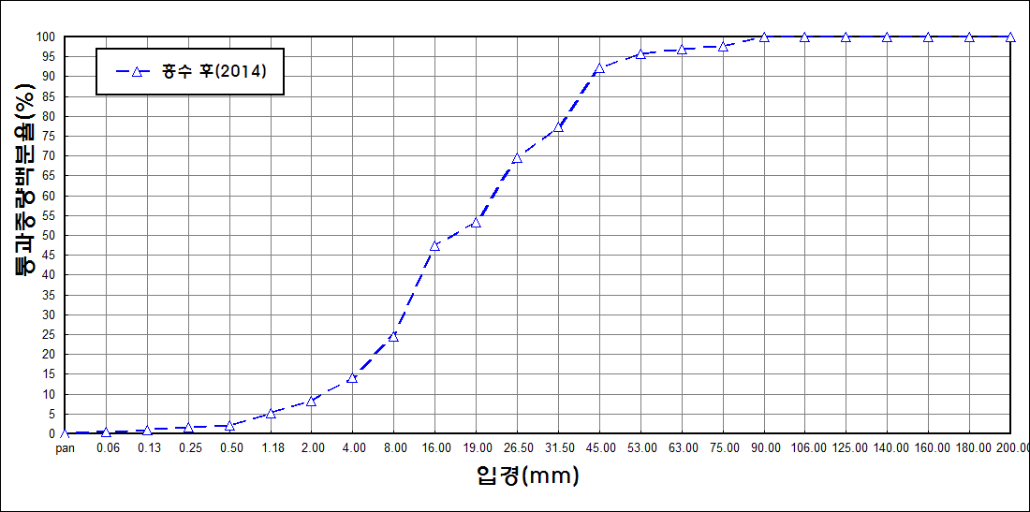
after the flood (2014)
percent passing(%)
particle size (mm)
7 | 83.92 | 7.98 | 3.89 | 1.28 | 0.33 | 0.2 | 0.11 | 0
8 | 83.79 | 8.48 | 3.6 | 1.03 | 0.36 | 0 | 0 | 0
9 | 84.3 | 9.75 | 2.08 | 0.27 | 0.58 | 0.44 | 0.15 | 0
10 | 85.68 | 11.8 | 0.99 | 0 | 0 | 0 | 0 | 0
11 | 82.15 | 13.26 | 3.48 | 0.01 | 0 | 0 | 0 | 0
12 | 81.69 | 10.2 | 4.21 | 1.24 | 0.18 | 0 | 0 | 0
13 | 83.3 | 9.45 | 4.03 | 0.56 | 0 | 0 | 0 | 0
14 | 84.24 | 10.49 | 2.72 | 0.11 | 0 | 0 | 0 | 0
15 | 88.6 | 7.68 | 0.84 | 0 | 0 | 0 | 0 | 0
16 | 85.35 | 8.61 | 2.68 | 0.29 | 0.2 | 0.01 | 0 | 0
17 | 84.9 | 8.93 | 2.92 | 0.33 | 0.04 | 0 | 0 | 0
18 | 82.42 | 11.02 | 3.69 | 0.53 | 0.16 | 0 | 0 | 0
19 | 82.79 | 11.39 | 3.62 | 0.18 | 0 | 0 | 0 | 0
20 | 86.47 | 10.39 | 1.11 | 0.02 | 0 | 0 | 0 | 0
mean | 82.59 | 10.78 | 3.38 | 0.59 | 0.21 | 0.1 | 0.03 | 0

